Bug
 |  | BUG REPORT
 |  | Project Name | STYLEMATE
 |  | Client | STYLEMATE
 |  | Created By | Vinita & Suman Shekhar jena
 |  | Creation Date | 05/02/2025
 |  | Approved By | Vaishnavi

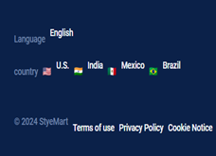
Bug ID | Test Case ID | Description | Steps to Reproduce | Expected Result | Actual Result | Status | Screenshorts/Video
BI_01 | TC_001_02 | Verify wheather the application is giving warning for not giving a strong password | Fill those password boxes witha easier password and click on the create account button | The page should stay as same before with a warning of password is too weak | The create button does not work so the user cant check it | Failed
 | TC_001_03 | Verify wheather the user can successfully add their details or not | After filling up the correct format data in the boxes click on the create account button | The application should take the user to the home page after clicking on the create account button | The create button does not work so the user cant check it | Failed
 | TC_001_04 | Verify wheather the user can fill wrong details and try to register | Fill up the boxes with wrong format of data | The page should give a warning saying Wrong format of email ID | The create button does not work so the user cant check it | Failed
 | TC_001_05 | Verify wheather the user is able to create an account after filling the details on the page on the sign up button | Click on the link given bellow, then click on the login button it will show the login page then click on the create account then fill the details and click on the create account button https://luni-interface-029.vercel.app/ | The page should display successfully signed up and take the user to thehome page | The create button does not work so the user cant check it | Failed
BI_02 | TC_002_08 | Verify whether the user is able to login without email | "1.Enter the test data in password input field. 2.Click on sign up button" | "Fill in all the fields!" popup should be displayed | The application took the user to home page | 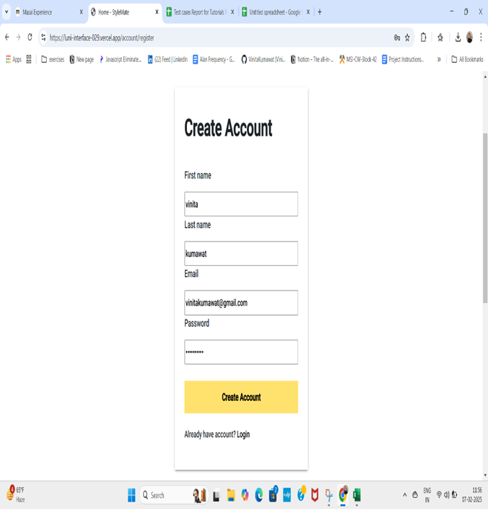 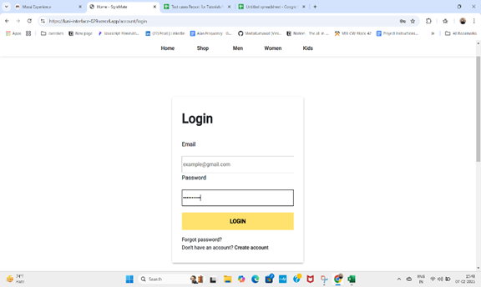 Failed
 | TC_002_09 | Verify whether the user is able to login without password | "1.Enter the test data in email input field. 2.Click on sign up button" | "Fill in all the fields!" popup should be displayed | The application took the user to home page | 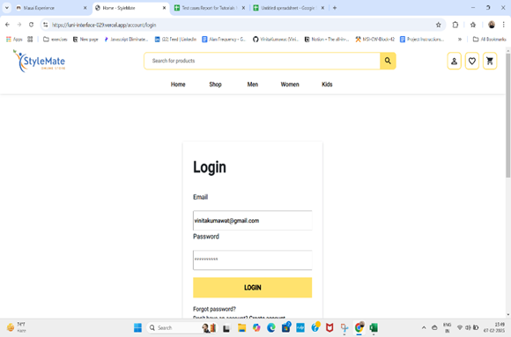 Failed
 | TC_002_10 | Verify wheather the user is able to log in with wrong credentials | "1.Enter the test data in each input field. 2.Click on sign up button" | "Wrong Credentials!" popup should be dispalyed | The application took the user to home page | 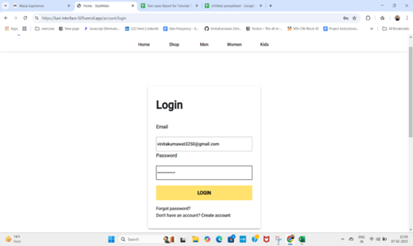 Failed
 | TC_002_13 | Verify whether the user is able to see their name in the home page after logging in | Check The user name on navbar | Username should be displayed on the navbar of Home page | Username is not displaying on the navbar of Home page | Failed | 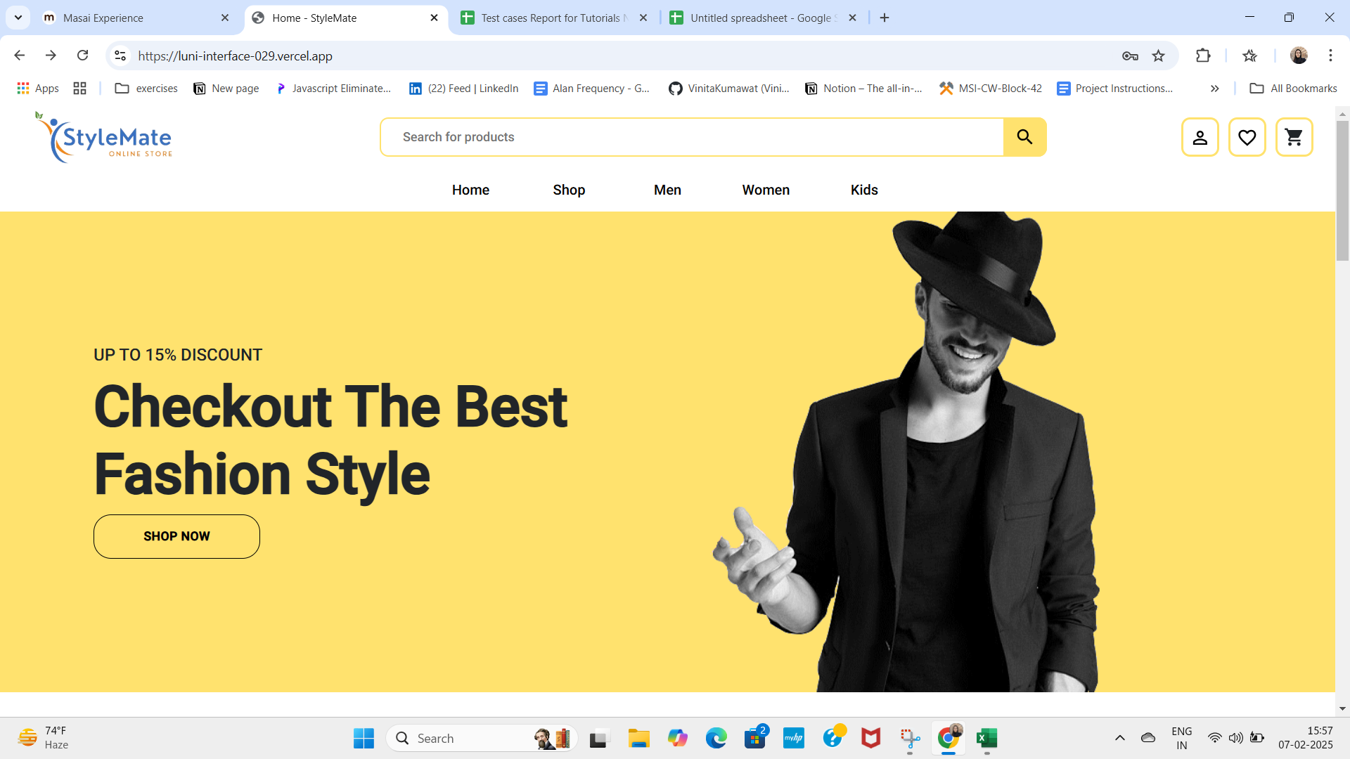
 | TC_002_14 | Verify whether user able to Forgot Password. | Check on the Forgot Password | User should able to forgot password | User should not able to forgot password | 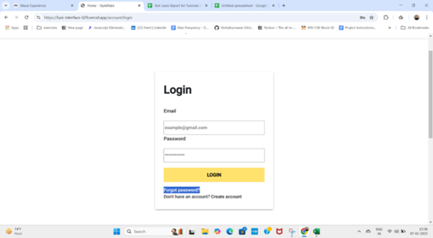 Failed
BI_03 | TC_003_16 | Verify whether the user is able to fetch seach results using search field | "1.Click on Search button 2.Enter text data 3.Click on search button or enter" | User should be able to fetch search results | The application could not fetch the data | Failed | 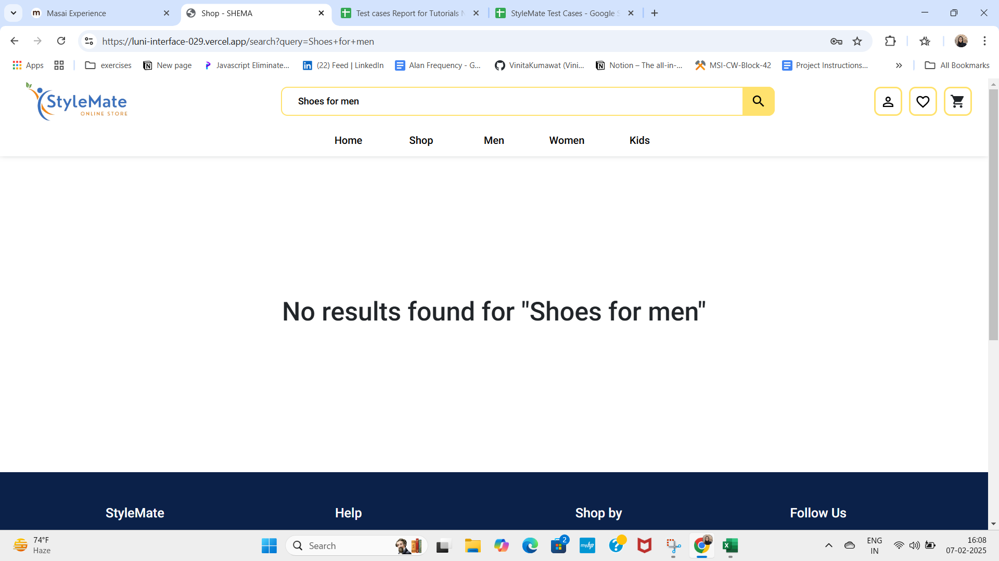
BI_04 | TC_004_21 | Test language change functionality | Change language using dropdown | Language should update on the page | Language not changes as per user selection. | Failed
 | TC_004_22 | Test footer links for navigation | Click each footer link | Links should navigate to correct pages | Footer links is not navigate correctly | 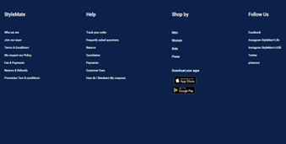 Failed
BI_05 | TC_010_37 | Verify whether user able to click Checkout Button | Click the Add to cart button and click the Checkout button | User should be able to click the checkout button | User unable to click the checkout button | 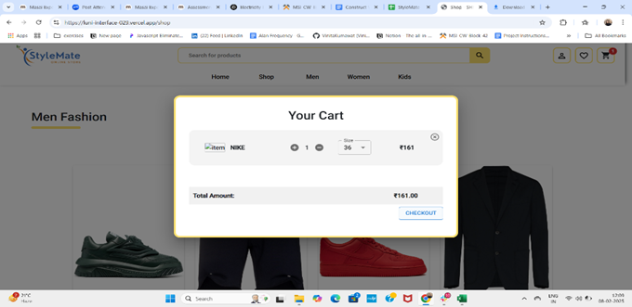 Failed

